Лист1
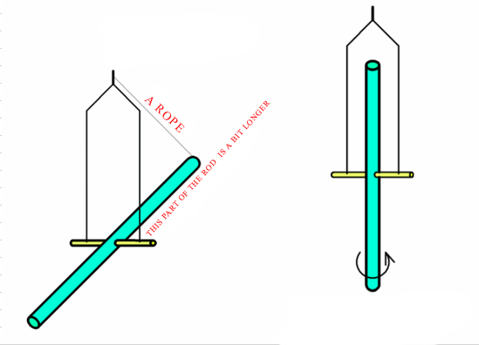
Input data | Value
Rod mass (kg) | 3
Rod radius (m) | 0.006
Rod length (m) | 1.5
Current latitude (°) | 55

MOI = Moment of inertia
MOI of rod horizontal(kg*m^2) | 0.5625270000
MOI of rod vertical (kg*m^2) | 0.0000540000
Changing (decreasing) MOI in times | 10417.17
For a pole
Angular velocity (°/sec) | 43.53
Full rotation per (sec) | 8.27
For current latitude
Angular velocity (°/sec) | 35.66
Full rotation per (sec) | 10.10

 |  | Experiment conditions
 |  | The rod can freely rotate horizontal axis
 |  | The frame can freely rotate vertical axis
 |  | The longer a rod is, the better (minimum 1.5 meters). The less radius it has, the better.
 |  | One of the rod's end is less than the another. It needes for unbalance after burning the rope
 |  | The second end (more longer) is suspended with a ropе to the frame
 |  | Experiment
 |  | Burn the rope - it will break
 |  | The longer part of the rod will go down, the rod goes in vertical position => moment of inertia decreases in many times (~10000)
 |  | Due to the conversation of angular momentum, the frame starts rotation
 |  | The rotation will be counterclockwise, not effect on the Equator

 |  |  | 0

